Summary
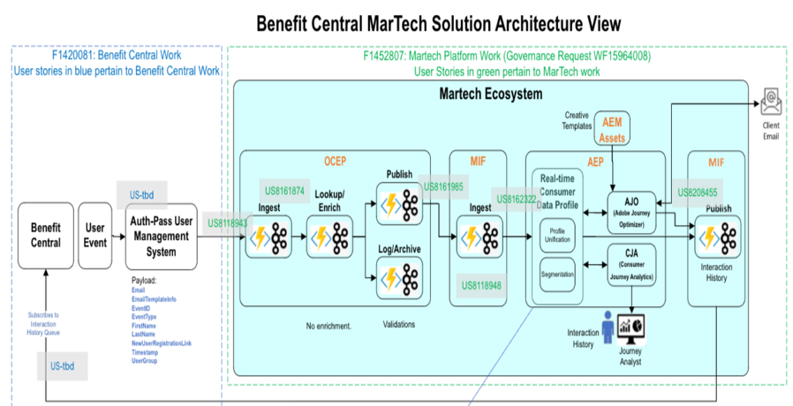
Project Name: | Benefit Central | This excel will cover the mapping from source to target OCEP/MIF/AEP/AJO with all the enrichment/filter/transformation needed being captured with business rules for validation wherever applicable.
Summary: | The purpose of this project is to address the need for customized email invitations for user in the Client Central Portal client migration and new client implementation process. Currently, there is a limitation of only one customized email invite per tenant, which restricts the ability to tailor the email invitations according to specific use cases. This project aims to find a solution to this limitation and enhance the capability to customize email invites for a more personalized and effective communication to customer experience.

